READ ME
BASKETBALL HARD PLAY SPREADSHEETS
Some notes to help you get started
These spreadsheets make up an EFFORT STATS WORKBOOK into which the effort stats of up to 50 games can be entered. It will produce the TOTAL and AVERAGE Effort Stats for players and the team throughout the season.
ALL SHEETS ARE PASSWORD PROTECTED EXCEPT THE COLLECTION SHEET WHICH IS NON PASSWORD PROTECTED. NON COLORED CELLS IN THE SPREADSHEETS HAVE NO PROTECTION.
1. Start with the COLLECTION sheet and remove its protection. This will allow you, If you wish, to delete effort actions from the workbook and also allow you to add effort actions of your own.
The changes you make on the COLLECTION SHEET will auto fill onto the other spreadsheets.
2. On the ROSTER sheet enter your team name, the season and the players' details.
3. On the GAME sheet, give each effort action a value. Values there at present are default values and can be changed to suit.
THE WORKBOOK IS NOW SET UP READY FOR GAME DATA INPUT
4. Print a copy of the COLLECTION sheet and write in the game details and players' names
5. Track the effort actions of the players during the game or practice, every action being recorded as a forward or back slash on the COLLECTION sheet as shown below
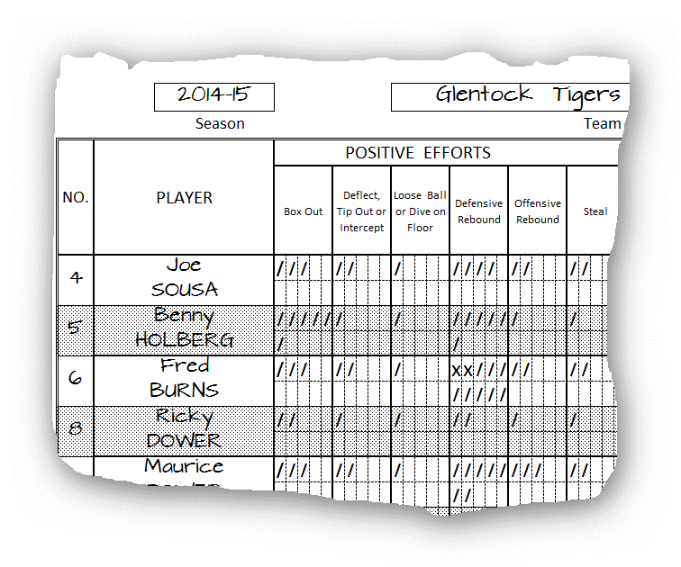

6. Your last step is to take the collected data and enter it onto the GAME sheet. This procedure will now give you GAME STATS for each of your games and cummulative TOTALS and AVERAGES throughout the season.
I hope you find these spreadsheets useful and I would welcome feedback regarding their use, any suggestions for improvements and ideas for new or modified spreadsheets.

